Static Object
Sr. No. | Graphic Name | Stencils for Static Object
1 | 6112CO1 | 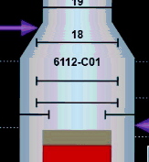
2
3
4
5
6
7
8
9
10

